Instructions
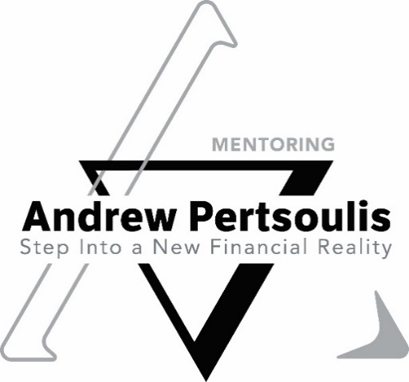

5 Steps to STRUCTURING YOUR DAY FOR POSITIVE TRADING RESULTS
This daily routine transforms each 24-hour segment of your life into a unit of positive learning experience. You are also going to start ‘spying’ on our emotional reactions to trading, so in time you will have a personal trading psychology check list which will run alongside your technical check list
Schedule a time just for yourself, such as a brief time-out, at the end of the day, to reflect from an emotional and technical perspective, on three trading achievements for each day

1. Write down the three achievements and/or ‘aha’ moments…you know…when the dots connect) (Examples 1, 2 and 3 are listed for reference in each section)
1. Winning trade (emotional) and I followed a strategy to achieve that win (technical)
2. Did you learn something new from a losing Trade (emotional and technical)
3. Learnt how to place a trend line (technical) how did I feel about this learning, did I get frustrated as I could not understand where to place it initially (emotional)
Examine them to determine why they were important, why and how each of the three where significant to you, for that day

2. Explore / Imagine how to make more progress in each of the following three areas?
1. Strategise with your coach on improving your winning ratio
2. What is the next level to target in your learning?
3. How do I use a horizontal line in my charting?

3. Then for each of the three achievements write down ways that you could make more progress
1. Book into MasterTrader so you can improve winning profits by moving from 1:1 to 1:3 risk to reward ratio
2. Who is my accountability partner in the learning process? Get feedback on your progress and set targets for the next level
3. Learnt what a head and shoulders patter is, advancing your technical skill

4. Write down the specific actions or behaviours you would take in each of the three areas to further progress
e.g. Add your new learnings to your Trading Plan and develop them into an action plan / check list
ask your coach to get technical inside knowledge to create understanding…remember knowledge does not equal understanding, repetition creates understanding
take control of your emotional ‘underlying story’ before you get caught in the quicksand of life…solution… Financial Markets Trader Mentoring Programme with specialist New Money Story® Trader Mentor Andrew, details below.

5. Review the three areas and actions taken the next day at the designated time
e.g. Access your progress and set the next target in your learning and / or are you keeping you coach informed of your journey so they can keep you accountable to your goals

Your learning target is to construct a 21-day program of doing a version of these essential exercises each day, believing that it takes twenty-one days for new habits and behaviours to form.

Each day clarifies and self-reinforces confidence of achievement
Whatever the motivation, understanding, insight, or plan, success depends on actual behaviours on actions that lead to success.

